Instrumenttion Product List
BAHJAT ENTERPRISES
SNO. | Instrumentation Items List |  |  | Category | Brands
 | Actuator | An actuator is a device that converts a control signal or energy into mechanical movement to operate equipment such as a valve, damper, or mechanism, Common types - Electric Actuator, Automated valve, opening /closing, Pneumatic Actuator, Fast valve operation using compressed air, Hydraulic Actuator High-force industrial applications, Linear Actuator, Straight-line movement, Rotary Actuator, Quarter-turn valves such as ball /butterfly valves, Electric Linear Actuator, Automated linear positioning, Typical specifications: actuator type, operating torque/force, voltage, control signal, IP rating, stroke/rotation angle, mounting type, and operating temperature, Size- DN15–DN1000+ (for valve actuators, based on valve size) Torque 5–10,000+ Nm for rotary actuators, Voltage-24V DC / 110V AC / 230V AC / 415V AC, Mounting-ISO 5211 / Valve-specific mounting, Protection IP54 / IP65 / IP67 / IP68 | 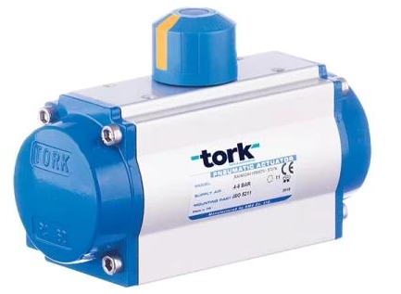
 | Air Header | An Air Header is a pipe/manifold used to collect and distribute compressed air to multiple pneumatic instruments or equipment, Type-Main Air Header / Distribution Header / Instrument Air Header, Material Carbon Steel / Stainless Steel / GI, Header Size-1", 1½", 2", 3", 4", 6", 8", Branch Size ¼", ⅜", ½", ¾", 1", Pressure-6–10 bar commonly; higher-pressure designs available Connections-Threaded / Flanged / Socket Weld / Butt Weld, Outlet Count 2, 4, 6, 8, 10, 12+ outlets, Typical procurement description: Air Header, SS/CS, 2" × 8 Outlet, ½" Branch Connections, 10 Bar. SS304/ SS316/ SS316L, CS, Brass, Monel, Hastelloy, Inconel | 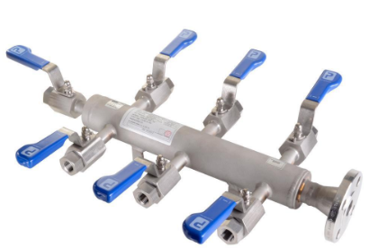
 | Air Regulator | An Air Regulator controls and reduces compressed-air pressure to the required downstream pressure, Type : Pneumatic Air Regulator / Filter Regulator / Precision Regulator, Port Size : ¼", ⅜", ½", ¾", 1", 1½", 2", Pressure Range : 0–2 bar / 0–4 bar / 0–7 bar / 0–10 bar / 0–16 bar, Connection : BSP / NPT, threaded, Material : Aluminium / Brass / SS / Engineering Plastic, Gauge : With or without pressure gauge, Application : Pneumatic tools, cylinders, control valves, instruments, procurement description: Air Regulator, ½" BSP, 0–10 bar, with Pressure Gauge. | 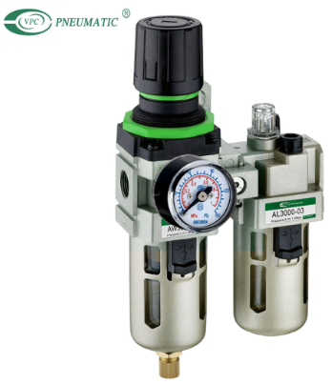
 | Analyzer | An Analyzer is an instrument used to measure, detect, or determine the concentration/properties of a specific substance in a process, gas, liquid, or sample, Types : Gas Analyzer, CO Analyzer, CO₂ Analyzer, pH Analyzer, Conductivity Analyzer, Chlorine Analyzer,Moisture Analyzer, Hydrogen (H₂) Analyzer, Hydrocarbon Analyzer, TOC Analyzer, Silica Analyzer, Turbidity Analyzer, Analyzer sensor/probe, Pressure regulator, Flow meter/rotameter Solenoid valve, Calibration gas/liquid connection, Tubing and fittings, Analyzer panel/enclosure, Display/transmitter, Typical size/specification: Analyzer selection is generally based on measurement range, accuracy, process connection, sample temperature/pressure, output (4–20 mA/Modbus), power supply, and enclosure/IP rating, rather than a standard physical size. | 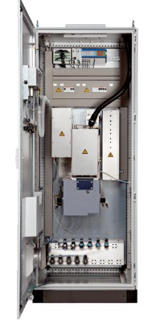
 | Angle Needle Valve | An Angle Needle Valve is a precision valve used to accurately control or regulate the flow of liquids or gases. Its inlet and outlet are positioned at approximately 90°, making it useful where piping direction needs to change, Type - Angle Needle Valve, High-Pressure Angle Needle Valve, Instrumentation Angle Needle Valve, Size : 1/8", 1/4", 3/8", 1/2", 3/4", Connection: Male/Female threaded, NPT or BSP, Pressure rating: Depends on design, commonly up to 3,000–6,000 PSI for instrumentation types, Temperature: Depends on seat and body material, Operation: Handwheel, Applications: Pressure gauges, instrumentation lines, sampling systems, hydraulic/pneumatic systems, Material : SS304/ SS316/ SS316L, CS, Brass, Monel, Hastelloy, Inconel | 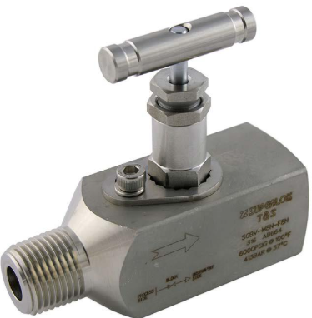
 | Air Admittance Valve | AAV, Air Vent Valve, Plumbing Air Valve, An Air Admittance Valve (AAV) is a one-way plumbing vent valve that allows air to enter the drainage system when negative pressure occurs, while preventing sewer gases and foul odors from escaping into the building. It is commonly used as an alternative to conventional vent pipes in drainage and waste systems. Material : uPVC, ABS, Polypropylene (PP), EPDM or Silicone Rubber Seal, Stainless Steel Spring (spring-operated models), Seal Material : EPDM / Silicone, Size : 32 mm, 40 mm, 50 mm, 75 mm, 110 mm, Type : Mini Air Admittance Valve, Standard Air Admittance Valve, Large Bore Air Admittance Valve, Push-Fit Air Admittance Valve, Solvent Weld Air Admittance Valve, Threaded Air Admittance Valve, | 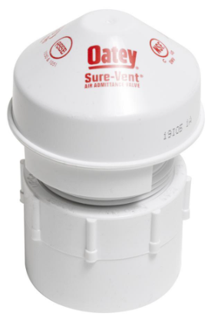
 | Air Release Valve | Automatic Air Vent Valve, Air Vent Valve, An Air Release Valve is a pipeline valve designed to automatically release trapped air from pressurized liquid pipelines while preventing water leakage. It improves flow efficiency, reduces pressure losses, and protects pipelines and equipment from air pockets and related damage, Material : Cast Iron, Ductile Iron, Brass, Stainless Steel (SS 304 / SS 316), Engineering Plastic (Float), Type : Single Orifice Air Release Valve, Double Orifice Air Release Valve, Combination Air Valve (Air Release & Air/Vacuum), Threaded Air Release Valve, Flanged Air Release Valve, Float Material : Stainless Steel / Engineering Plastic, Connection Type : BSP Threaded or Flanged, Connection Size : 15 mm (½") to 100 mm (4") | 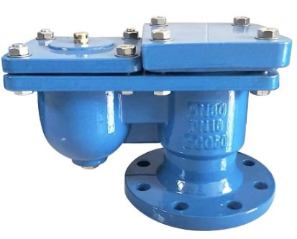
 | Air Vent Valve | Automatic Air Vent, Automatic Air Release Valve, Float Air Vent, An Air Vent Valve is an automatic valve used to release trapped air from water-filled piping systems while preventing water leakage. It improves system efficiency, maintains proper flow, and protects pumps, pipelines, and equipment from air pockets and pressure-related problems, Material : Brass, Stainless Steel (SS 304 / SS 316), Cast Iron, Ductile Iron, Engineering Plastic Float, Connection Type : BSP/NPT Threaded or Flanged, Connection Size : 15 mm (½") to 100 mm (4"), Type : Automatic Air Vent Valve, Float-Type Air Vent Valve, Single Orifice Air Vent Valve, Double Orifice Air Vent Valve, Combination Air Vent Valve, Threaded Air Vent Valve, Flanged Air Vent Valve, | 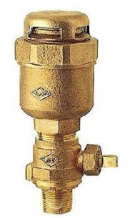
 | Bleed Valve | A Bleed Valve is used to release trapped pressure, air, gas, or liquid from a piping or instrumentation system. It is commonly installed with pressure gauges, transmitters, and isolation valves, Type : Instrument Bleed Valve, Needle Bleed Valve, Gauge Bleed Valve, Ball Bleed Valve, Double Block & Bleed Valve, Size - 1/8", 1/4", 1/2"–2", Material - SS304/ SS316/ SS316L, CS, Brass, Monel, Hastelloy, Inconel, Connection: NPT, BSP, tube fitting, or flanged, Operation: Handwheel or lever, Typical applications: Pressure gauges, pressure transmitters, hydraulic lines, pneumatic systems, process plants. | 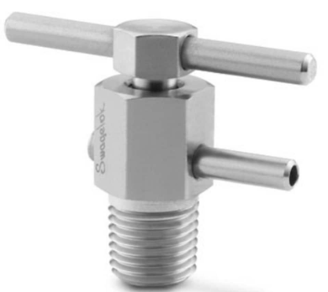
 | Block Valve | A Block Valve is a valve used to completely stop or isolate the flow of a liquid or gas in a pipeline or process system. It is mainly used for isolation rather than flow regulation, Type - Ball Block Valve, Gate Block Valve, Globe Block Valve, Needle Block Valve, Instrument Block Valve, Size: 1/4"–4", 1/2"–24"+, 1/8"–2", Connections: Threaded, socket weld, butt weld, flanged, Operation: Lever, handwheel, or actuator, Applications: Process piping, water lines, gas lines, hydraulic systems, instrumentation and maintenance isolation Material - SS304/ SS316/ SS316L, CS, Brass, Monel, Hastelloy, Inconel | 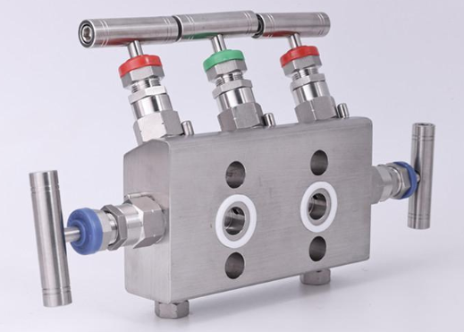
 | Bulkhead Compression Union | A Bulkhead Compression Union is a tube fitting used to join two tubes while allowing the connection to pass through a panel, tank wall, enclosure, or bulkhead. It uses compression ferrules to provide a secure, leak-resistant connection, Types - Double-Ferrule Bulkhead Union, Straight Bulkhead Compression Union, Bulkhead Tube Union, Reducing Bulkhead Union, Size: 1/8"–1/2", 1/2" × 1/4", 6–12 mm, 1/4"–1/2", Connection: Compression × Compression, Tube sizes: 1/8", 1/4", 3/8", 1/2"; 6, 8, 10, 12 mm, Material: SS304/ SS316/ SS316L, CS, Brass, Monel, Hastelloy, Inconel, Ferrule: Single or double ferrule, | 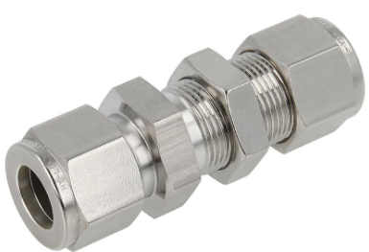
 | Bulkhead Elbow | A Bulkhead Elbow is a tube/pipe fitting used to change the flow direction by 90° while passing through a panel, tank wall, or bulkhead. It provides a secure connection on both sides of the wall, Type - Bulkhead Compression Elbow, 90° Bulkhead Elbow, Double-Ferrule Bulkhead Elbow, Tube Bulkhead Elbow, Reducing Bulkhead Elbow, Size: 6–12 mm, 1/4"–1/2", 1/4"–1", 1/8"–1/2", 1/2" × 1/4", Angle: 90°, Connections: Compression, threaded, tube fitting, Materials: SS304/ SS316/ SS316L, CS, Brass, Monel, Hastelloy, Inconel | 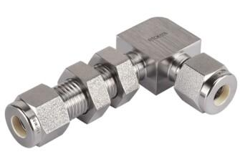
 | Bulkhead Tee | A Bulkhead Tee is a tube fitting used to create a 90° branch connection while passing through a panel, tank wall, or bulkhead. It is commonly used in instrumentation and fluid-control systems, Type - Bulkhead Compression Tee, Double-Ferrule Bulkhead Tee, Tube Bulkhead Tee, Reducing Bulkhead Tee, Brass Bulkhead Tee, Size: 1/2" × 1/2" × 1/4", 1/8"–1/2", 1/4"–1/2", 6–12 , Connection: Compression × Compression × Compression, Shape: T-type, 90° branch, Materials - SS304/ SS316/ SS316L, CS, Brass, Monel, Hastelloy, Inconel | 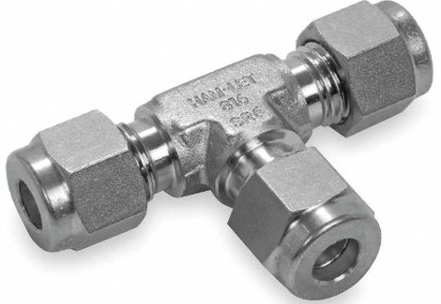
 | Butterfly Valve | A Butterfly Valve is a quarter-turn rotary valve used to isolate or regulate the flow of liquids, gases, or slurries. It operates by rotating a circular disc 90° inside the valve body, providing quick operation, compact design, and low pressure loss, Body Material : Ductile Iron, Cast Iron, Carbon Steel, Stainless Steel (SS 304 / SS 316), Aluminum Bronze (disc), EPDM, NBR, PTFE (seat materials), Disc Material : Stainless Steel, Ductile Iron (Epoxy Coated), Aluminum Bronze, Seat Material : EPDM, NBR, PTFE, Connection Type : Wafer, Lug, Double Flanged, Size Range : 40 mm (1½") to 1200 mm (48"), Pressure Rating : PN10, PN16, PN25 / Class 150, Type :Wafer Butterfly Valve, Lug Butterfly Valve, Double Flanged Butterfly Valve, Concentric Butterfly Valve, Double Offset (Double Eccentric) Butterfly Valve, Triple Offset Butterfly Valve, Pneumatic Butterfly Valve, Electric Actuated Butterfly Valve, | 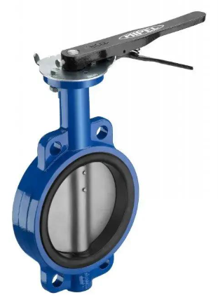
 | Balancing Valve | Flow Balancing Valve, Circuit Balancing Valve, A Balancing Valve is a flow control valve used to regulate and balance the flow of water in hydronic heating, cooling, and HVAC systems. It ensures that each branch or terminal unit receives the correct design flow, improving system efficiency, comfort, and energy performance, Body Material : Brass, Bronze, Cast Iron, Ductile Iron, Stainless Steel (SS 304 / SS 316), Connection Type : Threaded (BSP/NPT), Flanged, Size Range : 15 mm (½") to 300 mm (12"), Pressure Rating : PN16, PN25, Type : Manual Balancing Valve, Automatic Balancing Valve, Dynamic Balancing Valve, Static Balancing Valve, Pressure Independent Control Valve (PICV), Double Regulating Valve (DRV), | 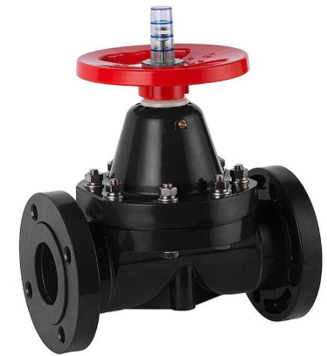
 | Capacitance Level Switch | A Capacitance Level Switch is an industrial instrument used to detect the presence or absence of a liquid, powder, or granular material at a specific level inside a tank, vessel, or silo, It works by detecting a change in electrical capacitance when the material reaches the sensing probe, Type-Capacitive Point Level Switch, Liquid / solid detection, Probe Type, Rod / cable / electrode, Flush-Mounted Type Suitable for vessels with limited space, High-Level Switch Overflow protection, Low-Level Switch Dry-run / empty-tank protection, Thread Size 1/2", 3/4", 1", 1½", Process Connection Threaded / Flanged, Output Relay / PNP / NPN / 4–20 mA depending on model, Material-SS 304 / SS 316 / PTFE, Power Supply Commonly 12–30 VDC or 24 VDC
 | Compression Adapter | A Compression Adapter is a fitting used to connect compression tubing to another connection type, such as a male/female threaded port. It uses a compression ferrule and nut to create a secure, leak-resistant connection, Type - Tube × Male Thread Adapter, Tube × Female Thread Adapter, Reducing Compression Adapter, Bulkhead Compression Adapter, Size - 1/4"–1/2", 1/4" × 1/4", 1/2" × 1/4", Metric Compression Adapter, Size-6, 8, 10, 12 mm, Connections: NPT, BSP, compression tube fitting, Materials: SS304/ SS316/ SS316L, CS, Brass, Monel, Hastelloy, Inconel, | 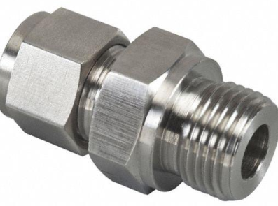
 | Compression Cross | A Compression Cross is a tube fitting used to connect four tubes at a common point, forming a cross-shaped connection. Compression nuts and ferrules provide a secure, leak-resistant joint, Type - Equal Compression Cross, Double-Ferrule Compression Cross, Reducing Compression Cross, Metric Compression Cross, Bulkhead Compression Cross, Size: 1/8"–1/2", 1/4"–1/2", 1/2" × 1/4", 6–12 mm, Connections: Compression × Compression × Compression × Compression, Materials: SSS304/ SS316/ SS316L, CS, Brass, Monel, Hastelloy, Inconel | 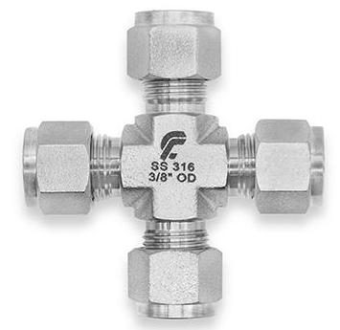
 | Compression Elbow | A Compression Elbow is a tube fitting used to change the direction of tubing, usually by 90°, while providing a leak-resistant connection using compression ferrules, Type- 90° Compression Elbow , 45° Compression Elbow, Double-Ferrule Elbow, Reducing Compression Elbow, Metric Compression Elbow, Size: 6, 8, 10, 12 mm, 1/8"–1/2", 1/4"–1/2", 1/2" × 1/4", Connection: Compression × Compression, Angle: Typically 90°, Materials: SS304/ SS316/ SS316L, CS, Brass, Monel, Hastelloy, Inconel, | 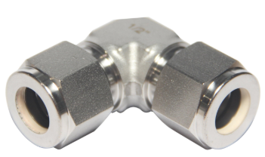
 | Conductivity Level Switch | A Conductivity Level Switch (also called a Conductive Level Switch) detects the presence or absence of electrically conductive liquids at a specific level in a tank or vessel, It works by using electrodes/probes to detect electrical conductivity when the liquid completes an electrical circuit between the probe and a reference electrode, Type- Single-Point Level Switch, High or low level detection, Multi-Point Level Switch Detects multiple liquid levels Conductive Probe Type Electrode-based sensing, Remote Probe Type Probe connected to separate controller, Threaded Type-1/2", 3/4", 1", 1½", Flanged Type, Various ANSI/DIN flanges, Probe Material-SS 304 / SS 316, Output Relay / transistor output, Power Supply-Commonly 24 VDC or 230 VAC, | 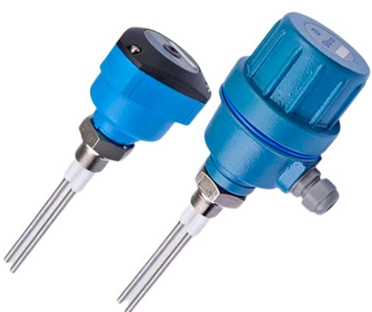
 | Control Valve | A Control Valve is an automatically operated valve used to regulate the flow, pressure, temperature, or level of a process fluid. It receives a control signal from a controller and adjusts its opening accordingly, Type-Globe Control Valve, General process control Ball Control Valve, Butterfly Control Valve, Angle Control Valve, Diaphragm Control Valve Corrosive or hygienic fluids 3-Way Control Valve, Size: 1/2" to 24"+, Pressure class: PN10/16/25/40, Class 150/300/600, Body material: Carbon steel, stainless steel, cast iron, alloy steel, Trim: SS 304/316 and other alloys, Actuator: Pneumatic, electric, or hydraulic, Control signal: 4–20 mA / pneumatic 3–15 psi, Positioner: Pneumatic / electro-pneumatic / smart, Connections: Flanged, threaded, butt-weld, socket-weld | 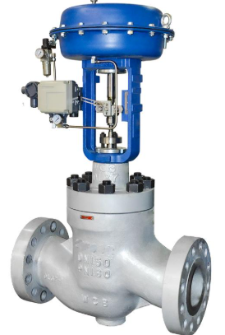
 | Coriolis Flow Meter | A Coriolis Flow Meter is a precision instrument used to directly measure the mass flow rate of liquids or gases. It can also provide density and temperature measurements in many models, Type-Straight-Tube Coriolis Meter, Bent-Tube Coriolis Meter, Single-Tube Coriolis Meter, High-Pressure Coriolis Meter, Sanitary Coriolis Meter Food, beverage & pharmaceutical, Micro Coriolis Meter Low-flow / laboratory applications, Line size: Commonly 1/8" to 16"+, depending on model, Measurement: Mass flow, density, temperature, Accuracy: Model-dependent; often around ±0.1–0.5% of mass flow, Process connection: Flanged / threaded / sanitary, Tube material: SS 316/316L or other alloys, Output: 4–20 mA, pulse, HART, Modbus, Ethernet options, Power supply: Typically 24 VDC or AC/DC, Display: Digital transmitter/display | 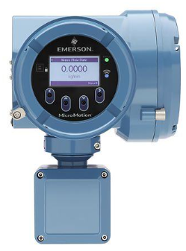
 | Dew Point Meter | A Dew Point Meter is an instrument used to measure the dew point temperature of air or gas. Dew point indicates the temperature at which moisture in the gas begins to condense into liquid, Type / Range - Portable Dew Point Meter, −80 to +20°C DP, Online Dew Point Meter, Continuous monitoring−80 to +20°C DP, Dew Point Transmitter, Process/automation−80 to +60°C DP, Compressed Air Dew Point Meter, Air dryers & compressors, −80 to +20°C DP, Handheld Hygrometer, Measurement: Dew point temperature (°C / °F), Sensor: Capacitive, ceramic, or polymer sensor, Accuracy: Model dependent, commonly ±1–2°C DP, Pressure: Depending on probe/model, Display: Digital LCD, Output: 4–20 mA / RS-485 / Modbus on online models, Power: Battery / 24 VDC | 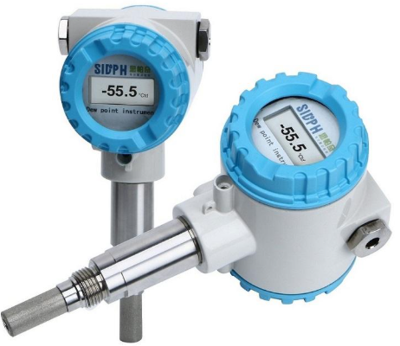
 | Differential Pressure Gauge | A Differential Pressure (DP) Gauge measures the difference in pressure between two points in a system. It has two pressure connections—High (H) and Low (L)—and displays the pressure difference, Types & Ranges - Diaphragm DP Gauge-0–100 mbar to 0–40 bar, Capsule DP Gauge-0–25 mbar to 0–600 mbar, Piston DP Gauge-0–1 bar, Filter DP Gauge- 0–1 bar / 0–2.5 bar, Sanitary DP Gauge, Accuracy: Typically ±1% to ±2% of full scale, Dial size: 100 mm / 150 mm commonly, Pressure range: Application-specific, Connection: 1/4" or 1/2" BSP/NPT, Body: SS 304 / SS 316, Wetted parts: SS / diaphragm materials as required, Display: Analog dial, Optional: Electrical contacts, transmitter output, manifold | 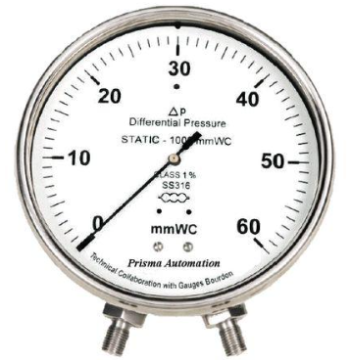
 | Differential Pressure Transmitter | Differential Pressure Transmitter (DP Transmitter), A Differential Pressure Transmitter (DP Transmitter) measures the difference in pressure between two points and converts it into an electrical signal, commonly 4–20 mA, for monitoring and control, Types- Gauge Differential Pressure Transmitter Absolute Pressure Transmitter, Differential Pressure Transmitter with Remote Seal, Smart DP Transmitter, Digital DP Transmitter, DP Transmitter with Capillary Seal, Typical Range -Output-4–20 mA, Communication-HART / Foundation Fieldbus / Modbus, Pressure Connection-1/4", 1/2" NPT, Process Connection-Threaded / Flanged, Accuracy-±0.05% to ±0.25% of span, Wetted Material-SS316 / Hastelloy, Power Supply-Typically 24 V DC, Mounting, Direct / Manifold / Remote Seal, Basic principle: High-pressure side (H) − Low-pressure side (L) = Differential Pressure, | 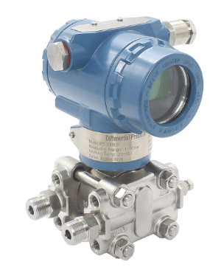
 | Digital Pressure Gauge | A Digital Pressure Gauge is an electronic instrument used to measure and display pressure digitally on an LCD/LED screen. It provides a direct numerical pressure reading and is commonly used for water, air, gas, hydraulic, and industrial applications, Types : Digital Pressure Gauge, Digital Hydraulic, Pressure Gauge, Digital Pneumatic Pressure Gauge, Digital Vacuum Pressure Gauge, Digital Pressure Gauge with Data Logging, Digital Pressure Gauge with Alarm/Output, Pressure Range 0–1, 0–10, 0–25, 0–100, 0–400 bar, Display-LCD / LED, Accuracy ±0.1% to ±0.5% FS, Connection 1/4", 1/2" NPT/BSP, Wetted Material-SS304 / SS316, Power Battery / 24 V DC, Units bar, psi, MPa, kg/cm², kPa, Output-None / 4–20 mA / RS485, Protection-IP65 / IP67, | 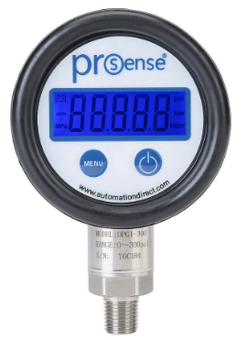
 | Digital Thermometer | A Digital Thermometer is an electronic instrument used to measure and display temperature digitally. It uses a temperature sensor such as a thermistor, RTD, or thermocouple depending on the application, Types-Digital Contact Thermometer, Probe Type Digital Thermometer, Infrared Digital Thermometer, Industrial Digital Thermometer, Digital Thermometer with RTD, Digital Thermometer with Thermocouple, Food/Laboratory Digital Thermometer, Temperature Range--50°C to +300°C, Display-LCD / LED, Sensor-Thermistor / RTD / Thermocouple, Accuracy-±0.1°C to ±1°C, Probe-SS Probe / Flexible Probe, Units-°C / °F, Power-Battery / 24 V DC, Output None / 4–20 mA / RS485, Protection-IP54 / IP65 / IP67, | 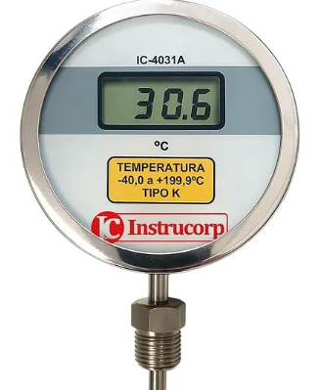
 | Diaphram Valve | Membrane Valve, A Diaphragm Valve is a linear motion valve that uses a flexible diaphragm to control, regulate, or isolate the flow of liquids, gases, and slurries. The diaphragm is pressed against a seat or weir to create a leak-tight seal, making it ideal for corrosive, abrasive, and hygienic applications, Material : Body: PVC, CPVC, PP, PVDF, Cast Iron, Ductile Iron, Stainless Steel (SS 304 / SS 316), Diaphragm: EPDM, PTFE, NBR, Viton®, Natural Rubber, Connection Type : Threaded, Flanged, Socket Weld, Butt Weld, Size Range : 15 mm (½") to 300 mm (12"), Pressure Rating : PN10, PN16, PN25, Type : Weir Type Diaphragm Valve, Straight-Through Diaphragm Valve, Plastic (PVC/CPVC/PVDF) Diaphragm Valve, Stainless Steel Diaphragm Valve, Sanitary Diaphragm Valve, Pneumatic Diaphragm Valve, Electric Actuated Diaphragm Valve, | 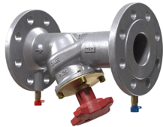
 | Dosing Pump | Diaphragm Dosing Pump – Most common; leak-resistant and suitable for corrosive chemicals, Solenoid Dosing Pump – Compact, electrically actuated, ideal for low flow rates, Motor-Driven Dosing Pump – High-capacity pump for industrial applications, Piston/Plunger Dosing Pump – High-pressure applications with accurate dosing, Peristaltic Dosing Pump – Pumps chemicals through flexible tubing, suitable for abrasive or shear-sensitive fluids, Flow Rate : 1–10 LPH - Small RO and water treatment systems, 10–100 LPH - Commercial and industrial dosing, 100–1000 LPH - Large water treatment and process plants, Pump Head: PVC, PVDF, PP, Stainless Steel (SS316), Diaphragm: PTFE (Teflon), EPDM, Seals: Viton, EPDM, NBR | 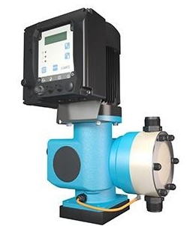
 | DRUM LEVEL TRANSMITTER, | A Drum Level Transmitter is an industrial instrument used to continuously measure the liquid/water level inside a drum, especially a boiler steam drum, and transmit the measurement to a control system such as a DCS, PLC, or SCADA, Types- Differential Pressure (DP) Drum Level Transmitter, Guided Wave Radar Level Transmitter, Radar Level Transmitter, Displacer Type Level Transmitter, Magnetic Level Transmitter, Measurement-Liquid Level, Application-Boiler / Steam Drum, Output-4–20 mA, Communication-HART / Foundation Fieldbus, Measuring Range-Application dependent, Process Connection-Flanged / Threaded, Wetted Material-SS316 / Alloy materials, Accuracy-Typically ±0.1% to ±0.5%, Power Supply-Typically 24 V DC, Mounting Direct / Remote, Protection-IP65 / IP67, Boiler Drum, | 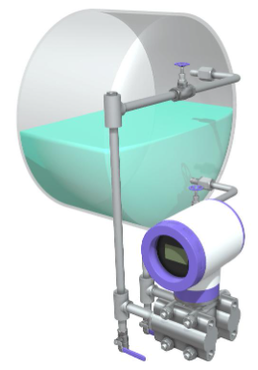
 | Electromagnetic Flow Meter | An Electromagnetic Flow Meter (Magnetic Flow Meter / Mag Meter) is an instrument used to measure the flow rate of electrically conductive liquids in a pipeline. It works on Faraday's law of electromagnetic induction and has no moving parts, Types-Flanged Electromagnetic Flow Meter, Wafer Type Magnetic Flow Meter, Insertion Electromagnetic Flow Meter, Remote-Type Magnetic Flow Meter, Integral-Type Magnetic Flow Meter, Sanitary Electromagnetic Flow Meter, Line Size DN10 to DN2000+, Accuracy-±0.2% to ±0.5% of reading, Output-4–20 mA / Pulse, Communication-HART / Modbus / Profibus, Liner PTFE / Rubber / PFA, Electrodes-SS316 / Hastelloy / Titanium Connection-Flanged / Wafer / Threaded, Power Supply-24 V DC / 85–265 V AC,Fluid-Conductive liquids, | 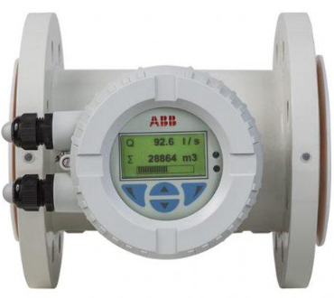
 | Electric Actuator Valve | An Electric Actuator Valve is a valve fitted with an electric motor actuator that allows the valve to be opened, closed, or positioned automatically. It is commonly used where remote or automated flow control is required, Type : Electric Actuated Ball Valve, Electric Actuated Butterfly Valve, Electric Actuated Gate Valve, Electric Actuated Globe Valve, Electric Actuated Plug Valve, Valve body: Brass, Cast Iron, Ductile Iron, Carbon Steel, SS 304/SS 316, PVC/CPVC, Actuator housing: Aluminum alloy or cast metal, Seals: EPDM, NBR, PTFE, Power Supply : 24 VDC, 110 VAC, 230 VAC, 415 VAC, Valve Size : 15 mm (½") to 1200 mm (48")+, Connection : Threaded / Wafer / Lug / Flanged, Control : Local / Remote / PLC / SCADA, Protection : IP65, IP67, IP68 (model dependent), Position Feedback : Limit Switch / Potentiometer / 4–20 mA,
 | ELECTROMAGNETIC FLOWMETER, | An Electromagnetic Flowmeter (Magnetic Flowmeter / Magmeter) is an instrument used to measure the volumetric flow rate of electrically conductive liquids in pipelines. It operates using Faraday’s law of electromagnetic induction and has no moving parts, Common Types Flanged Electromagnetic Flowmeter, Wafer-Type Electromagnetic Flowmeter, Insertion Magnetic Flowmeter, Integral-Type Flowmeter, Remote-Type Flowmeter, Sanitary Electromagnetic Flowmeter, Measurement-Volumetric Flow, Line Size-DN10 to DN2000+, Accuracy-±0.2% to ±0.5%, Output-4–20 mA / Pulse, Communication-HART / Modbus / Profibus, Liner-PTFE / PFA / Rubber, Electrode-SS316 / Hastelloy / Titanium, Connection-Flanged / Wafer / Threaded, Power Supply-24 V DC / 85–265 V AC, Display Digital LCD, Fluid-Electrically Conductive Liquid, Important: It requires a sufficiently conductive liquid and is generally unsuitable for non-conductive fluids such as most oils and hydrocarbons. | 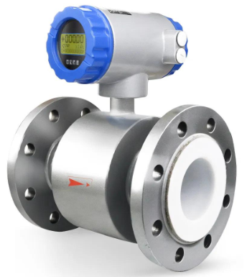
 | Ferrule Set | A Ferrule Set is a set of precision components used in tube compression fittings to grip and seal tubing. A typical double-ferrule set consists of a front ferrule and back ferrule, Front Ferrule- Provides the primary tube-to-fitting seal, Back Ferrule-Grips the tube and prevents pull-out, Nut-Compresses the ferrules during installation, Fitting Body-Holds the ferrule assembly, Tube Size, 1/8", 1/4", 3/8", 1/2", 3/4", 1", Type-Single Ferrule / Double Ferrule, Material - SS304/ SS316/ SS316L, CS, Brass, Monel, Hastelloy, Inconel | 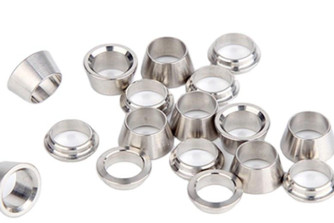
 | Filter Regulator | A Filter Regulator (Filter-Regulator) is a pneumatic device that filters contaminants from compressed air and regulates the outlet pressure to a desired, stable level. It combines a filter and a pressure regulator in one unit, Air Filter Element, Pressure Regulator, Bowl, Drain Valve, Pressure Gauge – Displays regulated outlet pressure, Port Size-1/8", 1/4", 3/8", 1/2", 3/4", 1", Inlet Pressure-Typically up to 10–16 bar, Outlet Range-0.5–8 bar / 0.5–10 bar, Filter Rating-5 µm / 20 µm / 40 µm, Material-Aluminum / Zinc / Engineering Plastic, Drain-Manual / Automatic, Gauge-Included / Optional, Connection-BSP / NPT | 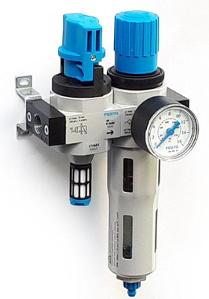
 | Flow Meter | A Flow Meter is an instrument used to measure the flow rate of a liquid, gas, or steam through a pipeline. The reading may be displayed locally or transmitted to a PLC, DCS, or SCADA system, Electromagnetic Flow Meter, Coriolis Flow Meter, Vortex Flow Meter, Ultrasonic Flow Meter, Turbine Flow Meter, Rotameter, Orifice Flow Meter, Positive Displacement Flow Meter, Variable Area Flow Meter, Measurement-Volumetric / Mass Flow, Units-L/min, m³/h, kg/h, t/h, Nm³/h, Line Size-DN10 to DN2000+, Output-4–20 mA / Pulse, Communication HART / Modbus / Profibus, Connection Flanged / Wafer / Threaded, Accuracy-±0.1% to ±2%, Display-Digital / LCD, Power-24 V DC / AC, Material-SS / Carbon Steel / Plastic | 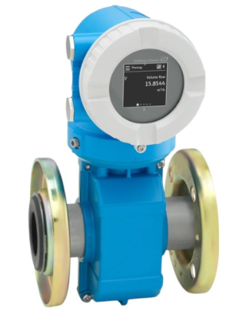
 | Flow Restrictor | A Flow Restrictor is a device used to limit or control the flow rate of a liquid or gas through a pipeline or tubing. It creates a controlled pressure drop and helps prevent excessive flow, Types- Fixed Orifice Flow Restrictor, Adjustable Flow Restrictor, Inline Flow Restrictor, Needle-Type Flow Restrictor, Capillary Flow Restrictor, Venturi Flow Restrictor, Size-1/8" to 6"+ Material-SS304 / SS316 / Brass / Carbon Steel / Plastic, Connection-Threaded / Flanged / Compression, Flow Rate-Application specific, Pressure Rating-PN10 / PN16 / Class 150 / Class 300+, Orifice-Fixed / Replaceable / Adjustable Medium-Water / Air / Gas / Steam / Chemicals, | 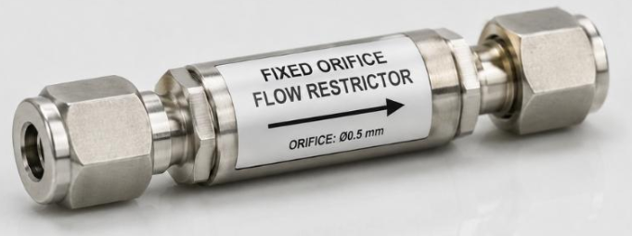
 | Flow Switch | A Flow Switch is a device that detects the presence, absence, or change of fluid flow in a pipe and switches an electrical contact when the flow reaches a preset level, Types- Paddle Flow Switch, Electronic Flow Switch, Thermal Flow Switch, Magnetic Flow Switch, Differential Pressure Flow Switch, Inline Flow Switch, Medium-Water / Air / Gas / Oil, Switching Type-NO / NC / SPDT Connection-Threaded / Flanged, Size-1/4" to 6"+, Material-Brass / SS / PVC Set Point-Application dependent, Protection-IP65 / IP67, Output-Relay / Switch / Electronic Signal, | 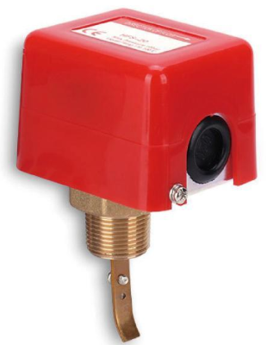
 | Flow Transmitter | A Flow Transmitter (FT) is an industrial instrument that measures fluid flow rate and converts the measurement into a standard output signal, commonly 4–20 mA, for monitoring and control through a PLC, DCS, or SCADA system, Types- Electromagnetic Flow Transmitter, Coriolis Flow Transmitter, Vortex Flow Transmitter, Ultrasonic Flow Transmitter, Differential Pressure Flow Transmitter, Turbine Flow Transmitter, Mass Flow Transmitter, Typical Output 4–20 mA / Pulse, Communication-HART / Modbus / Profibus, Power Supply 24 V DC / 85–265 V AC, Accuracy-Typically ±0.1% to ±1%, Display-LCD / Digital, Process Connection-Flanged / Wafer / Threaded, Line Size-DN10 to DN2000+, Units m³/h, L/min, kg/h, t/h, Nm³/h, Protection-IP65 / IP67 / IP68 | 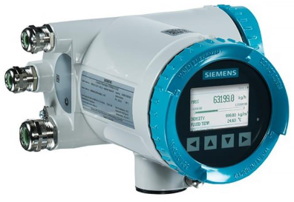
 | FLOW SENSOR | A Flow Sensor is a sensing device used to detect and measure the flow of a liquid, gas, or steam. It provides the primary measurement that can be displayed locally or processed by a flow transmitter/controller. Measurement- Flow Rate, Medium-Liquid / Gas / Steam, Types-Magnetic / Ultrasonic / Turbine / Vortex / Thermal / Paddle, Output-Pulse / Frequency / 4–20 mA / Digital, Connection Threaded / Flanged / Wafer / Inline, Material-SS / Brass / PVC / PTFE, Size-1/4" to DN2000+, Accuracy Typically ±0.5% to ±2% Power Supply 5–24 V DC or application dependent, | 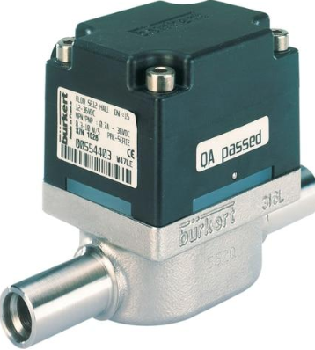
 | Globe Valve | Stop Valve, Throttling Valve, A Globe Valve is a linear-motion valve used to start, stop, and regulate fluid flow. It uses a movable disc or plug that moves toward or away from a stationary seat. Globe valves are particularly suitable where accurate flow throttling and control are required, Body Material : Brass, Bronze, Cast Iron, Ductile Iron, Carbon Steel, Stainless Steel (SS 304 / SS 316), Disc Material : Stainless Steel / Bronze / Alloy Steel, Seat Material : Metal / PTFE / EPDM, Connection : Threaded / Flanged / Socket Weld / Butt Weld, Size Range : 15 mm (½") to 600 mm (24"), Pressure Rating : PN10, PN16, PN25, PN40 / Class 150–600, Type : Straight Pattern Globe Valve, Angle Globe Valve, Y-Pattern Globe Valve, Bellows Seal Globe Valve, Forged Steel Globe Valve, Flanged Globe Valve, Threaded Globe Valve, Pneumatic/Electric Actuated Globe Valve | 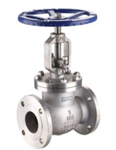
 | Gauge Adapter | A Gauge Adapter is a fitting used to connect a pressure gauge to a pipe, vessel, manifold, or process line. It provides the correct thread, size, and connection arrangement between the gauge and the process connection, Types-Straight Gauge Adapter, 90° Angle Gauge Adapter, Gauge Syphon Adapter, Gauge Snubber Adapter, Male × Female Gauge Adapter, Male × Male Gauge Adapter, Female × Female Gauge Adapter, Gauge Adapter with Isolation Valve, Process connection-1/8", 1/4", 3/8", 1/2", Gauge connection-1/8", 1/4", 1/2", Thread type-BSP, BSPT, NPT, Material-SS 304, SS 316, Brass, Carbon Steel, | 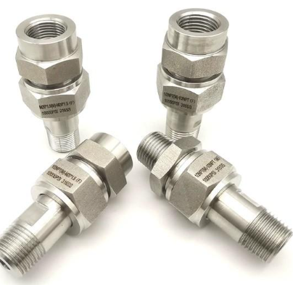
 | Gauge Isolator | A Gauge Isolator is a valve used to isolate a pressure gauge from the process line. It allows the gauge to be removed, serviced, or replaced while preventing process fluid from entering the gauge, Type -Needle Valve Gauge Isolator, Ball Valve Gauge Isolator, 2-Way Gauge Isolator, 3-Way Gauge, solator, Gauge Isolator with Bleed, Size - 1/4", 3/8", 1/2", 3/4", Materials-Brass, SS 304, SS 316, Carbon Steel, Typical specification: SS316, 1/2" NPT process connection × 1/2" NPT gauge connection. | 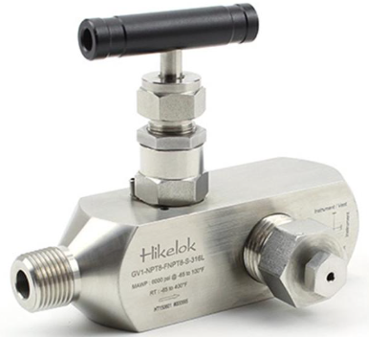
 | Gauge Valve | A Gauge Valve is an isolation valve installed between a pressure gauge and the process line. It allows the gauge to be isolated for maintenance, calibration, replacement, or pressure checking, Type-Needle Type Gauge Valve, Ball Type Gauge Valve, 2-Way Gauge Valve, 3-Way Gauge Valve, Gauge Valve with Bleed, Gauge Valve with Test Connection, Connection-1/4", 3/8", 1/2", Thread-NPT / BSP / BSPT, Material-Brass / SS304 / SS316, Pressure rating, Typical specification: SS316, 1/2" NPT process connection × 1/2" NPT gauge connection. | 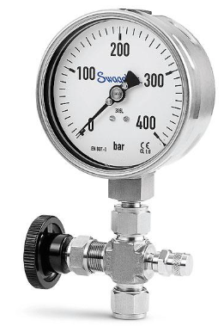
 | HMI | HMI — Human Machine Interface, HMI (Human Machine Interface) is an industrial display/control device that allows an operator to monitor and control machines, processes, and equipment, Type-Touchscreen HMI, Panel-Mount HMI, Industrial HMI, Remote HMI, PC-Based HMI, Handheld HMI, Display size-4.3", 7", 10", 12", 15", 21", Display TFT LCD / LED, Touch-Resistive / Capacitive, Communication-Ethernet, RS-232, RS-485, Protocols-Modbus, Ethernet/IP, PROFINET, Supply 24 V DC, Example: 7-inch industrial touchscreen HMI, 24 V DC, Ethernet + RS-485 communication, Modbus support, | 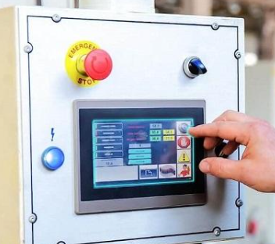
 | I/P Converter | An I/P Converter (Current-to-Pressure Converter) converts an electrical 4–20 mA current signal into a proportional pneumatic pressure signal, commonly 3–15 psi or 0.2–1.0 bar, Input-4–20 mA DC, Output-3–15 psi / 0.2–1.0 bar, Air Supply-Typically 20–30 psi, Accuracy-±0.5% of span or better, Connection- 1/4" NPT, Electrical-2-wire, Example: I/P Converter, input 4–20 mA, output 3–15 psi, 24 V DC loop-powered, 1/4" NPT pneumatic connection. | 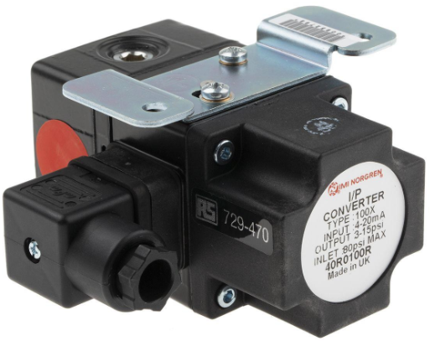
 | Instrument Valves | Instrument Valves are precision valves used to control, isolate, vent, drain, or regulate fluids and gases in instrumentation systems. They are commonly installed with pressure, flow, level, and temperature instruments, Types- Needle Valve, Ball Valve, Check Valve, Gauge Valve, Gauge Isolator, Manifold Valve, 3-Way Valve, 5-Way Valve, Bleed Valve, Root Valve, Double Block and Bleed Valve, Size-1/8", 1/4", 3/8", 1/2", Material-SS316 / SS304 / Brass, Connection-NPT / BSP / Compression, Pressure rating-Application dependent, Operation-Manual, SS316 instrument needle valve, 1/2" NPT, high-pressure service, suitable for pressure gauge/transmitter isolation. | 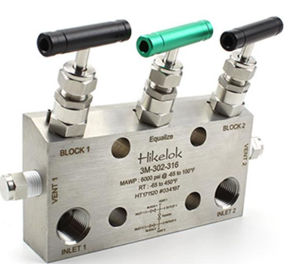
 | Level Controller | A Level Controller is an instrument used to monitor and control the level of a liquid or bulk material in a tank, vessel, boiler, or process equipment. It maintains the level within a desired range by sending a control signal to a valve, pump, or other final control element, Type-Float Type Level Controller, Displacer Type Level Controller, Differential Pressure Level Controller, Ultrasonic Level Controller, Radar Level Controller, Electronic Level Controller, Pneumatic Level Controller, Measurement-Liquid / Solid level, Output 4–20 mA / Pneumatic 3–15 psi, Supply-24 V DC / Instrument Air, Connection-Threaded / Flanged, Material-SS304 / SS316 / Carbon Steel, Application-Tanks, vessels, boilers, Typical example: Electronic level controller with 4–20 mA output, 24 V DC supply, configurable high/low level alarm, and relay output for pump control, | 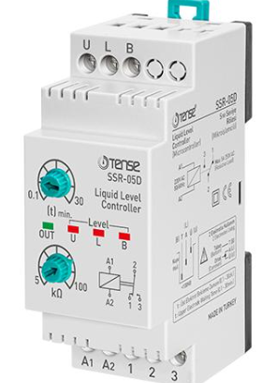
 | Level Gauge | A Level Gauge is a mechanical or visual instrument used to indicate the level of liquid inside a tank, vessel, boiler, or process equipment. It provides a direct visual indication without necessarily requiring electrical power, Types-Reflex Level Gauge, Transparent Level Gauge, Magnetic Level Gauge, Tubular Level Gauge, Float & Board Level Gauge, Sight Glass Level Gauge, Type - Reflex / Transparent / Magnetic, Connection-Flanged / Threaded, Material-CS / SS304 / SS316, Scale-mm / % / volume, Length, | 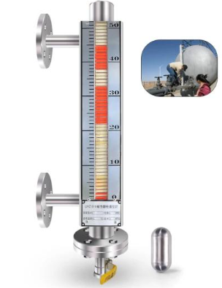
 | Level Switch | A Level Switch is a point-level instrument that detects when a liquid or solid material reaches a preset high or low level in a tank, vessel, hopper, or process equipment. It typically provides an ON/OFF signal to start/stop a pump or activate an alarm, Type-Float Level Switch, Magnetic Level Switch Conductivity Level Switch, Capacitance Level Switch, Vibrating Fork Level Switch, Displacer Level Switch, Ultrasonic Level Switch, Optical Level Switch, Application-Liquid / Solid, Output-Relay / Switch / PNP-NPN, Contact NO / NC / SPDT, Process connection Threaded / Flanged, Material-SS304 / SS316 / PP, Supply-24 V DC / 110–230 V AC, Function-High/Low level alarm or pump control,
 | Loop Calibrator | A Loop Calibrator is a portable test instrument used to generate, measure, and simulate electrical signals in industrial instrumentation loops, especially 4–20 mA current loops. It is commonly used for testing and calibrating transmitters, control valves, indicators, and PLC/DCS I/O, Measure 4–20 mA loop current, Source/simulate 4–20 mA, Simulate transmitter outputs, Check instrument loop wiring, Test PLC/DCS analog inputs, Perform transmitter calibration, Measure loop voltage, Typical Specifications, Current measurement-0–24 mA, Current source-0–24 mA, Accuracy-±0.05% to ±0.1% Voltage measurement 0–30 V DC or higher, Loop supply-24 V DC, model dependent, Display-Digital LCD, Communication-HART available on some models, Typical specification: Handheld loop calibrator, 0–24 mA source/measure, 24 V loop power, digital display, suitable for calibration and troubleshooting of 4–20 mA instrumentation loops, | 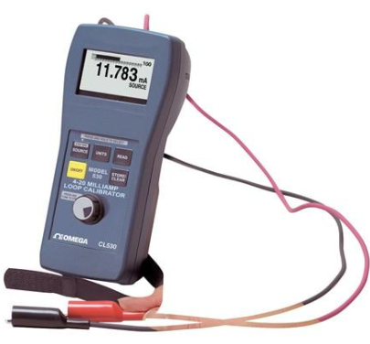
 | Male Adapter | A Male Adapter is a pipe or tubing fitting used to connect a tube/pipe to a female-threaded fitting, valve, instrument, or equipment. One end has a male thread, while the other end may be a compression, push-fit, socket, or another connection type, Type-Compression Male Adapter, NPT Male Adapter, BSP Male Adapter, Tube-to-Male Adapter, Male-to-Male Adapter Reducing Male Adapter, Tube size-1/4", 3/8", 1/2", 3/4", Thread-1/8", 1/4", 1/2" NPT/BSP, Material SS304 / SS316 / Brass, Connection-Compression / Threaded, Application Instrument tubing, piping & equipment, SS316 compression male adapter, 1/2" tube × 1/2" NPT male, suitable for instrumentation and process tubing. | 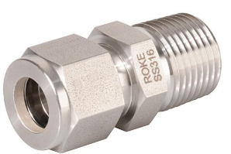
 | Male Branch Tee | A Male Branch Tee is a three-way instrumentation or tubing fitting used to create a branch connection, where the branch outlet has a male threaded connection. It is commonly used to connect instruments, valves, gauges, and tubing.SS304/ SS316/ SS316L, CS, Brass, Monel, Hastelloy, Inconel, Common Type-Compression Male Branch Tee, NPT Male Branch Tee, BSP Male Branch Tee, Reducing Male Branch Tee, SS316 Male Branch Tee, Tube size-1/4", 3/8", 1/2", Branch connection-1/8", 1/4", 1/2" NPT/BSP, Material-SS304 / SS316 / Brass, Connection-Compression + Male Thread, Configuration-Equal / Reducing, Typical specification: SS316 compression male branch tee, 1/2" tube × 1/2" tube × 1/2" NPT male, suitable for instrument tubing and impulse-line connections. | 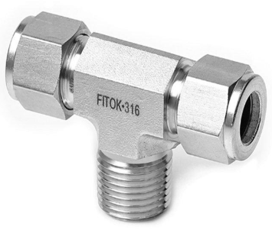
 | Male Elbow | A Male Elbow is a pipe or tubing fitting used to change the direction of a line, typically by 90°, while providing a male threaded connection on one end. It is commonly used in instrumentation, pneumatic, hydraulic, and process piping systems. SS304/ SS316/ SS316L, CS, Brass, Monel, Hastelloy, Inconel, Type-90° Male Elbow, 45° Male Elbow, Compression Male Elbow, NPT Male Elbow, BSP Male Elbow, Reducing Male Elbow, Tube size-1/4", 3/8", 1/2", Thread-1/8", 1/4", 1/2" NPT/BSP, Material-SS304 / SS316 / Brass, Connection-Compression + Male Thread, Angle-45° / 90°, Typical specification: SS316, 90° compression male elbow, 1/2" tube × 1/2" NPT male, suitable for instrument tubing and impulse-line connections. | 
 | Male-to-Male Adapter | A Male-to-Male Adapter is a threaded fitting used to connect two female-threaded components. Both ends have male threads, allowing connection between two valves, gauges, pipes, fittings, or instruments with female ports, Type-NPT Male-to-Male Adapter, BSP Male-to-Male Adapter, Reducing Male-to-Male Adapter, Hex Male-to-Male Adapter, Instrumentation Male-to-Male Adapter, Thread size-1/8", 1/4", 3/8", 1/2", 3/4", Thread type-NPT / BSP / BSPT, Material-SS304 / SS316 / Brass, Shape-Hex / Round, Application-Instrumentation & piping,Typical specification: SS316 hex male-to-male adapter, 1/2" NPT(M) × 1/2" NPT(M), suitable for connecting two female-threaded instrument components, | 
 | Metering Valve | A Metering Valve is a precision valve used to accurately control or regulate the flow rate of a fluid or gas. Its fine-adjustment mechanism allows small changes in flow, making it common in instrumentation, sampling, calibration, pneumatic, and process systems, Type-Needle Metering Valve, Fine Metering Valve, Micro Metering Valve, High-Pressure Metering Valve, Low-Flow Metering Valve, Panel-Mount Metering Valve, -Size-1/8", 1/4", 3/8", 1/2", Material-SS316 / SS304 / Brass, Connection-NPT / BSP / Compression, Operation-Manual handwheel, Flow-Fine / low-flow control, Pressure rating | 
 | Mini Ball Valve | A Mini Ball Valve is a compact quarter-turn shut-off valve used to quickly isolate or control the flow of liquids or gases in small-bore piping, instrumentation, pneumatic, and hydraulic systems. SS304/ SS316/ SS316L, CS, Brass, Monel, Hastelloy, Inconel, Type- 2-Way Mini Ball Valve, 3-Way Mini Ball Valve, Female × Female, Male × Female, Male × Male, Compression Mini Ball Valve, Panel-Mount Mini Ball Valve, Size-1/8", 1/4", 3/8", 1/2", Material-SS304 / SS316 / Brass, Connection-NPT / BSP / Compression, Port-Full / Reduced Bore, Operation-90° Lever, Pressure rating Application dependent, | 
 | Monoflange | A Monoflange is a compact instrumentation valve assembly used to isolate and/or bleed a pressure instrument such as a pressure gauge or transmitter from the process line. It combines the functions of a conventional isolation valve and associated connections into a single compact body, Type-Single Block & Bleed (SBB) Monoflange, Double Block & Bleed (DBB) Monoflange Direct-Mount Monoflange, Remote-Mount Monoflange, Monoflange with Test/Bleed Connection, Material-SS316 / SS304 / Carbon Steel, Process connection-Flanged, Instrument connection 1/2" NPT / BSP, Valve type-Needle / Ball, Pressure rating 150 / 300 / 600 / 1500 / 2500 class | 
1 | Manifold Valve | A valve assembly used to control, isolate, or distribute fluid or gas flow through multiple connected lines. Commonly used in instrumentation, hydraulic, pneumatic, and industrial piping systems, Common types: 2-Way Manifold Valve, 3-Way Manifold Valve, 4-Way Manifold Valve, 5-Way Manifold Valve, Gauge Manifold Valve, Instrument Manifold Valve, Common specifications: Connection: Threaded, compression, or flanged, Materials: SS304/ SS316/ SS316L, CS, Brass, Monel, Hastelloy, Inconel, Sizes: ¼", ⅜", ½", ¾", 1", Pressure rating: Application-dependent, commonly 3000–6000 PSI for instrumentation manifolds, End connection: NPT, BSP, BSPT, or tube fitting | 
 | Needle Valve | Precision Flow Control Valve, A Needle Valve is a precision flow-control valve used to accurately regulate very small flow rates. It uses a long, tapered needle-shaped plunger that moves into a matching seat, allowing fine adjustment of fluid or gas flow, Material : Brass, Stainless Steel (SS 304 / SS 316), Carbon Steel, Alloy Steel, Connection : Threaded, Compression, Tube Fitting, Common Size : 6 mm (¼") to 50 mm (2"), Pressure Rating : PN16, PN25, PN40 / higher depending on model, Seat Material : PTFE / Metal, Operation : Handwheel / Knob, Type : Straight Needle Valve, Angle Needle Valve, Brass Needle Valve, Stainless Steel Needle Valve, High-Pressure Needle Valve, Instrument Needle Valve, Panel-Mount Needle Valve, Metering Needle Valve, | 
 | Pressure Reducing Valve | A Pressure Reducing Valve (PRV) is an automatic control valve used to reduce a higher inlet pressure to a controlled, lower and stable downstream pressure. It protects pipelines, fixtures, pumps, and equipment from excessive pressure, Material : Brass, Bronze, Ductile Iron, Cast Iron, Carbon Steel, Stainless Steel (SS 304 / SS 316), Connection : Threaded / Flanged, Common Size : 15 mm (½") to 300 mm (12"), Pressure Rating : PN10, PN16, PN25 / Class 150, Seat Material : EPDM, NBR, PTFE or Metal, Type : Direct-Acting PRV, Pilot-Operated PRV, Flanged PRV, Threaded PRV, Water Pressure Reducing Valve, Steam Pressure Reducing Valve, Air Pressure Regulator, | 
 | Pressure Release Valve | A Pressure Release Valve (PRV), commonly called a Pressure Relief Valve, is a safety valve designed to automatically release excess pressure from a piping system, tank, vessel, or equipment when pressure exceeds a preset limit. This protects the system from overpressure and possible damage, Body Material : Brass, Bronze, Cast Iron, Carbon Steel, Stainless Steel (SS 304 / SS 316), Connection : Threaded / Flanged, Common Size : 15 mm (½") to 300 mm (12"), Pressure Rating : PN10, PN16, PN25 / Class 150–600, Seat Material : EPDM, NBR, PTFE or Metal, Type : Spring-Loaded Relief Valve, Safety Valve, Pressure Relief Valve, Pilot-Operated Relief Valve, Hydraulic Pressure Relief Valve, Thermal Relief Valve, Vacuum Relief Valve,
 | Pneumatic Valve | A Pneumatic Valve is a valve operated by compressed air through a pneumatic actuator. It is used for automatic ON/OFF or flow-control applications where fast, reliable remote operation is required, ype : Pneumatic Ball Valve, Pneumatic Butterfly Valve, Pneumatic Globe Valve, Pneumatic Gate Valve, Pneumatic Diaphragm Valve, Pneumatic Control Valve, Actuator Type : Pneumatic / Air Actuated, Valve Body : Brass, CI, DI, CS, SS 304/316, PVC/CPVC, Connection : Threaded / Wafer / Lug / Flanged, Common Size : 15 mm (½") to 1200 mm (48"), Control : Solenoid Valve / PLC / SCADA, Application : Water, Air, Gas & Industrial Fluids, Single-Acting Pneumatic Actuator – air operates the valve and a spring returns it, Double-Acting Pneumatic Actuator – compressed air operates both opening and closing, Pneumatic Positioner – provides precise modulating control, | 
 | Pressure Gauge | A Pressure Gauge is a mechanical instrument used to measure and display pressure in water, air, steam, hydraulic, and plumbing systems, Sizes: ¼", ½" connection; 40, 50, 63, 100, 150 mm dial, Pressure ranges: 0–1, 0–2.5, 0–4, 0–6, 0–10, 0–16 bar, Types: Bottom entry, back entry, glycerin-filled, digital, Material: SS, brass, plastic, Bottom Entry -40, 50, 63, 100 mm, Back Entry-63, 100, 150 mm, Connection -¼", ½", BSP/NPT, Most common plumbing size: 63 mm or 100 mm dial with ½" connection. | 
 | Pressure Regulator | A Pressure Regulator reduces and maintains water pressure at a safe, preset level in a plumbing or water-supply system, Sizes: ½", ¾", 1", 1¼", 1½", 2", Connection: BSP / NPT, Material: Brass, bronze, stainless steel, or plastic, Type - Adjustable Pressure Regulator, Pressure Reducing Valve (PRV), Inline Pressure Regulator, Irrigation Pressure Regulator, High-Pressure Regulator, | 
 | Pressure Switch | A Pressure Switch automatically starts or stops a pump when water pressure reaches preset cut-in/cut-out levels.Type - Mechanical Pressure Switch, Adjustable Pressure Switch, Electronic Pressure Switch, Pump Pressure Switch, Pressure Switch with Gauge, Size - ¼", ½", 1", 1¼", Range - 1–5 bar, 1–6 bar, 0–10 bar, 1.4–2.8 bar, 2–4 bar,
 | Pressure Transmitter | A Pressure Transmitter is an electronic instrument that measures pressure and converts it into an electrical signal (commonly 4–20 mA) for monitoring and control systems, Types: Gauge Pressure Transmitter, absolute, differential pressure, Smart Pressure Transmitter, Digital Pressure Transmitter, Connection Sizes: ¼", ½", ¾", Pressure ranges: 0–1, 0–6, 0–10, 0–16, 0–25, 0–40 bar, Output: 4–20 mA, 0–10 V, Use: Pumps, pipelines, HVAC, water treatment, boilers, and industrial process systems, Material: SS 304/316, brass, or industrial alloy, | 
 | pH Meter | A pH Meter is an electronic instrument used to measure the acidity or alkalinity of a liquid by measuring its pH value, Type-Portable pH Meter, Laboratory pH Meter, Benchtop pH Meter, Industrial pH Meter, Online pH Analyzer, Pen-Type pH Meter, Measuring range-0–14 pH, Resolution-0.01 pH Accuracy-±0.01 to ±0.1 pH, Temperature measurement-0–100°C, depending on probe, Electrode-Glass pH electrode, Temperature compensation-Manual / Automatic (ATC), Output-4–20 mA / RS485 / Modbus, for industrial models Power-Battery or 24 VDC, Calibration-2-point / 3-point calibration, Main Components-pH electrode + reference electrode + temperature sensor + transmitter/display, | 
 | PID Controller | A PID Controller (Proportional–Integral–Derivative Controller) is an industrial control device that automatically maintains a process variable—such as temperature, pressure, flow, or level—at a desired setpoint, P – Proportional, I – Integral, D – Derivative, Type- Temperature PID Controller, Process PID Controller, Digital PID Controller, Panel-Mount PID Controller, DIN-Rail PID Controller, Single-Loop / Multi-Loop PID Controller, Display-4-digit / 6-digit LED, Input-RTD, Thermocouple, 4–20 mA, 0–10 V, Output Relay, SSR, 4–20 mA, 0–10 V, Supply- 24 VDC / 100–240 VAC, Control mode-ON/OFF, P, PI, PID, Communication-RS485 / Modbus RTU, Panel size-48×48, 48×96, 72×72, 96×96 mm | 
 | PLC | PLC (Programmable Logic Controller), A PLC is an industrial computer used to automatically monitor and control machines and industrial processes. It receives signals from sensors, processes them according to a programmed logic, and operates outputs such as motors, valves, pumps, and relays. Main PLC Components - CPU, Power Supply, Digital Input (DI), Digital Output (DO), Analog Input (AI), Analog Output (AO), Communication Module, Common PLC Types-Compact PLC, Modular PLC, Rack-Mount PLC, Micro PLC, Safety PLC, Remote I/O PLC, Digital I/O-8–1024+ points, Analog input-4–20 mA, 0–10 V, Analog output-4–20 mA, 0–10 V, Programming-Ladder Logic, Function Block, Structured Text, Communication-Ethernet, RS485, Modbus, PROFINET, EtherNet/IP, Supply-24 VDC / 100–240 VAC, Mounting-DIN rail / control panel | 
 | Pneumatic Accessories | Pneumatic Accessories are supporting components used with compressed-air systems and pneumatic instruments/actuators for air preparation, connection, control, protection, and distribution, Common Pneumatic Accessories- Air Filter, Removes dust, water and contaminants, Filter Regulator (FR), Lubricator, FRL Unit, Air Regulator, Solenoid Valve, Needle Valve, Check Valve, Pneumatic Fittings, PU/PA Tube, ilencer/Muffler, Pressure Gauge, Air Header/Manifold, Air Hose Assembly, Drain Valve, Tube size-4, 6, 8, 10, 12 mm, Thread size-1/8", 1/4", 3/8", 1/2", Pressure-Up to 10–16 bar, Materials-Brass, SS304, SS316, Aluminium, Engineering Plastic, Tubing PU, Nylon/PA, PTFE, Connections-BSP, BSPT, NPT, Push-in, | 
 | Pressure & Temperature Accessories | Pressure & Temperature Accessories are supporting components used for the installation, protection, isolation, connection, and accurate measurement of pressure and temperature instruments, Accessories-Gauge Adapter, Gauge Valve / Cock, Gauge Snubber, Gauge Saver, Syphon, Condensate Pot, Thermowell, Temperature Gauge, Temperature Sensor, RTD / Thermocouple, Pressure Manifold, Impulse Tube, Flexible Hose, Calibration Adapter, Test Pump, Process connection-1/4", 1/2", 3/4", 1", Thread NPT, BSP, BSPT, Tubing size-1/8", 1/4", 3/8", 1/2", Materials-SS304, SS316, Brass, Carbon Steel, Pressure rating Up to 10,000+ psi depending on component, Temperature-Typically −50 to 600°C, depending on accessory, Thermowell connection-Threaded / Flanged / Welded, | 
 | Pressure Calibrator | A Pressure Calibrator is a precision test instrument used to measure, generate, and verify pressure for calibration of pressure gauges, transmitters, switches, sensors, and process instruments, Type, Digital Pressure Calibrator, Handheld Pressure Calibrator, Pressure Calibrator with Pump, Pneumatic Pressure Calibrator L, Hydraulic Pressure Calibrator, Pressure/Vacuum Calibrator, Pressure range-0–10 bar to 0–1,000 bar+, Accuracy-±0.025% to ±0.05% FS typical, Pressure units-bar, psi, kPa, MPa, kg/cm², Display-Digital LCD, Pressure source Internal pump / external pump, Input-Pressure sensor/module, Electrical measurement-4–20 mA, VDC, switch test, Loop power-24 VDC, depending on model, Communication-HART, USB, depending on model, Calibration medium-Air / water / hydraulic oil, | 
 | Pressure Gauge | A Pressure Gauge is a mechanical or digital instrument used to measure and display the pressure of liquids or gases in pipelines, vessels, pumps, compressors, and process equipment, Type- Bourdon Tube Gauge, Diaphragm Pressure Gauge, Capsule Gauge, Digital Pressure Gauge, Differential Pressure Gauge, Vacuum Gauge, Compound Gauge, Sanitary Pressure Gauge, Pressure range-0–1 bar to 0–1,000 bar+, Dial size-40, 50, 63, 100, 115, 150, 200 mm, Accuracy-±0.5%, ±1.0%, ±1.6% FS, Connection-1/4", 1/2" BSP / NPT, Connection position-Bottom / Back, Wetted material-SS316 / SS304 / Brass, Case-SS / Aluminium / ABS, Process temperature-Typically −20 to 100°C, Protection-IP54 / IP65 / IP67, | 
 | Pressure Relief Valve | Pressure Relief Valve (PRV), A Pressure Relief Valve is a safety valve that automatically opens when system pressure exceeds a preset limit, releasing excess pressure and protecting pipes, vessels, pumps, and other equipment from overpressure, Type- Spring-Loaded Relief Valve, Safety Valve, Pressure Safety Valve (PSV), Pilot-Operated Relief Valve, Vacuum Relief Valve, Thermal Relief Valve, Inlet / outlet size-1/2"–6"+, Set pressure-Application dependent, Pressure rating-Class 150, 300, 600, 900, Connection-Threaded / Flanged, Body material Brass, Carbon Steel, SS304/SS316, Seat SS / PTFE / elastomer, Media-Air, water, steam, gas, process fluids, Operating temperature-Application dependent, | 
 | Pressure Transmitter | A Pressure Transmitter is an electronic instrument that measures process pressure and converts it into a standardized output signal, commonly 4–20 mA, for monitoring and control through PLC, DCS, or SCADA systems, Type- Gauge Pressure Transmitter, Absolute Pressure Transmitter, Differential Pressure Transmitter (DP), Smart Pressure Transmitter, High-Pressure Transmitter, Flush Diaphragm Transmitter, Measuring range-Vacuum to 0–1,000 bar+, Output-4–20 mA, Communication-HART / Modbus / Fieldbus, Accuracy-±0.025% to ±0.5% FS, Supply-10–36 VDC / 24 VDC, Process connection-1/4", 1/2" NPT/BSP, Wetted material-SS316 / SS316L, Protection-IP65 / IP66 / IP67, Display-Optional LCD, Sensor technology-Piezoresistive / capacitive, | 
 | Purge Valve | A Purge Valve is a valve used to remove trapped air, gas, liquid, condensate, or process material from a piping or instrumentation system. In instrumentation, it is commonly used for venting, draining, flushing, or purging impulse lines and process connections, Type-Needle Purge Valve, Ball Purge Valve, Bleed/Purge Valve, Double Block & Bleed Valve, Instrument Purge Valve, Pneumatic Purge Valve, Automated air/gas purging, Size-1/8", 1/4", 3/8", 1/2", Connection-NPT / BSP / Compression, Material-SS316 / SS304 / Brass, Pressure rating-Up to 6,000–10,000 psi, Media-Air, gas, water, process fluids, Operation-Manual / pneumatic / automatic, Valve type-Needle / ball, | 
 | PNEUMATIC VALVE | A Pneumatic Valve is a valve operated by compressed air to start, stop, divert, or regulate the flow of air, gas, or liquid. It is widely used in industrial automation and process-control systems, Type- Pneumatic Ball Valve Quick ON/OFF isolation, Pneumatic Butterfly Valve, Pneumatic Globe Valve, Pneumatic Solenoid Valve, Pneumatic Control Valve, Pneumatic Diaphragm Valve, Pneumatic Gate Valve, Pneumatic Check Valve, Valve size-1/4" to 24"+, Actuator-Single-acting / Double-acting, Air pressure-3–8 bar typical, Body material-SS, Carbon Steel, Cast Iron, Brass, Connection-Threaded / Flanged / Wafer, Control signal-3–15 psi / 4–20 mA through positioner, Media-Air, water, gas, steam, process fluids, Temperature-Application dependent | 
 | PRESSURE TRANSMITTER, | A Pressure Transmitter is an electronic instrument that measures process pressure and converts it into a standardized signal, typically 4–20 mA, for monitoring and control through a PLC, DCS, or SCADA system, Type-Gauge Pressure Transmitter, Absolute Pressure Transmitter, Differential Pressure Transmitter, Smart Pressure Transmitter, Flush Diaphragm Transmitter, High-Pressure Transmitter, Measuring range Vacuum to 0–1,000 bar+, Output-4–20 mA, Communication-HART / Modbus / Foundation Fieldbus, Accuracy±-.025% to ±0.5% FS, Supply-24 VDC typical, Process connection-1/4", 1/2" NPT/BSP Wetted material-SS316 / SS316L, Protection-IP65 / IP66 / IP67, Sensor-Piezoresistive / Capacitive, Display-Optional LCD, | 
 | PNEMATIC CYLINDER | A Pneumatic Cylinder is a mechanical actuator that converts compressed-air energy into linear motion. It is used to push, pull, lift, clamp, position, or move machine components, Type-Single-Acting Cylinder, Double-Acting Cylinder, Compact Cylinder, Rodless Cylinder, Guided Cylinder, Telescopic Cylinder, Bore diameter-16–100 mm, Stroke length-25–1,000 mm+, Working pressure-1–10 bar, Port size-1/8", 1/4", 3/8", 1/2", Cylinder body-Aluminium / Stainless Steel, Rod-Chrome-plated SS / Carbon Steel, Cushioning-Adjustable / Fixed, Mounting-Foot / Flange / Clevis / Trunnion, Operating medium-Compressed air | 
 | PRESSURE SENSOR | A Pressure Sensor is a device that detects pressure and converts it into an electrical signal for measurement, monitoring, or control. It is used in industrial equipment, automation, hydraulic systems, pumps, and process instrumentation, Type-Gauge Pressure Sensor, Absolute Pressure Sensor, Differential Pressure Sensor, Digital Pressure Sensor, Hydraulic Pressure Sensor, Vacuum Pressure Sensor, Flush Diaphragm Sensor, Pressure range-0–1 bar to 0–1,000 bar+, Output-4–20 mA / 0–10 V / 0.5–4.5 V, Accuracy-±0.25% to ±1.0% FS, Supply-5 VDC / 12–24 VDC, Process connection-1/4", 1/2" NPT/BSP, Wetted material-SS316 / SS316L, Sensor technology, Piezoresistive / Capacitive / MEMS, Protection-IP65 / IP67 / IP68 Media-Air, gas, water, oil, hydraulic fluid, Pressure Sensor vs Pressure Transmitter, Pressure Sensor: Senses pressure and produces an electrical signal, Pressure Transmitter: Generally conditions/converts the sensor signal into a standardized industrial output such as 4–20 mA, often with additional diagnostics and communication, | 
 | Quick Exhaust Valve | Quick Exhaust Valve (QEV), A Quick Exhaust Valve is a pneumatic valve that allows compressed air to exhaust directly from a pneumatic cylinder or actuator near the cylinder, rather than returning through the directional control valve. This increases the speed of cylinder movement., Standard Quick Exhaust Valve, High-Flow QEV, Compact QEV, Silenced QEV, Adjustable QEV, Port size-1/8", 1/4", 3/8", 1/2", Working pressure-1–10 bar Medium-Compressed air, Body material-Aluminium / Brass / Engineering plastic, Seal-NBR / FKM, Connection-BSP / BSPT / NPT, Operating temperature-Typically 0–60°C | 
 | RO Booster Pump | An RO Booster Pump is a pump used in a Reverse Osmosis (RO) system to increase water pressure before the RO membrane. It helps maintain the required membrane pressure and improves RO water production , Type-24V DC RO Booster Pump, 230V AC RO Booster Pump, Diaphragm Booster Pump High-Pressure RO Pump, Commercial/Industrial RO Booster Pump, Multistage RO Booster Pump, Power Supply-24V DC / 230V AC, Motor Power-24–100 W (domestic typical), Operating Pressure-4–8 bar typical, Flow Rate-1–5 L/min (domestic typical), Inlet/Outlet-1/4", 3/8" tube, Pump Type-Diaphragm / Multistage, Material-PP, ABS, Stainless Steel, | 
 | Reducing Adapter | A Reducing Adapter is a fitting used to connect two components having different connection sizes, such as reducing from a larger tube/pipe size to a smaller threaded or compression connection, Type-Tube-to-Tube Reducing Adapter, Tube-to-Male Thread Reducing Adapter, Tube-to-Female Thread Reducing Adapter, Male-to-Male Reducing Adapter, Female-to-Male, Reducing Adapter, Compression Reducing Adapter, Bulkhead Reducing, Adapter, Tube Size-1/8", 1/4", 3/8", 1/2", 3/4", Metric Tube-4, 6, 8, 10, 12 mm, Thread Size-1/8", 1/4", 3/8", 1/2", 3/4", Thread Standard-NPT, BSP, BSPT, Connection-Compression / Threaded, Material-SS316/316L, SS304, Brass, Ferrule-Single / Double, | 
 | Reducing Union | A Reducing Union is a tube/pipe fitting used to connect two different-size tubes or pipes in a straight line, while allowing the connection to be easily disconnected, Type-Compression Reducing Union, Double-Ferrule Reducing Union, Single-Ferrule Reducing Union, Bulkhead Reducing Union, Threaded Reducing Union, Tube-to-Tube Reducing Union, Tube Size 1-1/2", 3/8", 1/4", Tube Size 2-3/8", 1/4", 1/8", Metric Size-12 × 10, 10 × 8, 8 × 6 mm, Material-SS316/316L, SS304, Brass, Connection-Compression / Double Ferrule, Thread-NPT / BSP where applicable, Pressure Rating-Up to 3,000–6,000 psi for instrumentation types, | 
 | Relief Valve | A Relief Valve is an automatic pressure-protection valve that opens when system pressure exceeds a preset value, releasing excess pressure and protecting equipment and piping, Type- Spring-Loaded Relief Valve, Pressure Relief Valve (PRV), Safety Relief Valve (PSV), Pilot-Operated Relief Valve, Thermal Relief Valve, Vacuum Relief Valve, Diaphragm Relief Valve, Size-1/2" to 6"+, Set Pressure-Application dependent, Connection-Threaded / Flanged, Thread-NPT / BSP, Pressure Class-150 / 300 / 600 / 900+, Body Material-CS, SS304, SS316, Spring Material-SS / Alloy Steel, Seat-Metal / PTFE / Elastomer, Media-Water, air, steam, gas, oil, chemicals,
 | Rotameter | A Rotameter is a variable-area flow meter used to measure the flow rate of liquids or gases. It has a tapered tube and a float that rises or falls according to the flow, Type- Glass Tube Rotameter, Metal Tube Rotameter, Acrylic /Plastic Rotameter, Purge Rotameter, Variable Area Flow Meter, Rotameter with 4–20 mA Transmitter, Measuring Principle-Variable Area, Fluid-Water, Air, Gas, Oil, Chemicals, Flow Range-Application dependent, Tube Material-Glass, Acrylic, SS304/SS316, Float Material-SS316, PTFE, Glass, Ceramic, Connection-Threaded / Flanged, Thread Size-1/4", 1/2", 1", 2", Output-Local indication / 4–20 mA, Accuracy-±1.5–2.5% FS typical, Mounting-Vertical, flow upward | 
 | RTD Sensor | An RTD (Resistance Temperature Detector) Sensor is a temperature sensor that measures temperature by detecting the change in electrical resistance of a metal element, most commonly platinum, Type-PT100 RTD , PT1000 RTD, 2-Wire RTD, 3-Wire RTD, 4-Wire RTD, Head-Mount RTD, Surface-Mount RTD, Mineral Insulated RTD, Resistance-Pt100 / Pt1000, Accuracy Class-Class A / Class B, Temperature Range--200 to +600°C typical, Wiring-2 / 3 / 4 wire, Probe Material-SS304 / SS316 / Inconel, Probe Diameter-3, 6, 8, 10 mm, Process Connection-Threaded / Flanged / Compression, Output-Resistance / 4–20 mA with transmitter, | 
 | Solenoid Irrigation Valve | A Solenoid Irrigation Valve is an electrically operated automatic valve used to control water flow in irrigation systems. It opens and closes when an electrical signal is received from an irrigation controller or timer, Body Material : Nylon / PVC / Brass, Coil Voltage : Commonly 24 VAC; other versions available, Connection : Threaded / BSP / NPT, Size : 15 mm (½") to 100 mm (4"), Type : 24V AC Irrigation Solenoid Valve, Diaphragm / Solenoid Operated, DC Latching Solenoid Valve, Plastic Irrigation Solenoid Valve, Brass Irrigation Solenoid Valve, Drip Irrigation Solenoid Valve, Sprinkler Irrigation Valve, | 
 | Temperature Controller | A Temperature Controller is an electronic device that measures temperature from a sensor and automatically controls heating or cooling to maintain a preset temperature, Type-PID Temperature Controller, ON/OFF Temperature Controller, Digital Temperature Controller, Panel-Mount Controller, DIN-Rail Temperature Controller, Single-Loop Controller, Multi-Loop Temperature Controller, Input-RTD Pt100, Thermocouple J/K/T, 4–20 mA, Control-PID / ON-OFF, Output-Relay / SSR / 4–20 mA / 0–10 V, Display LED / LCD, Temperature Range-Application dependent, e.g. -200 to 1800°C, Supply-24 VDC / 100–240 VAC, Panel Sizes-48×48, 48×96, 72×72, 96×96 mm, Communication-RS485 / Modbus, Alarm-High / Low / Deviation, Application-Furnace, oven, heater, boiler, HVAC, process equipment, | 
 | Temperature Indicator | A Temperature Indicator is an instrument that measures and displays temperature from a sensor such as an RTD or thermocouple. Unlike a temperature controller, its primary function is indication/monitoring rather than automatic control, Type-Digital Temperature Indicator, Analog Temperature Indicator, Panel-Mount Temperature Indicator, RTD Temperature Indicator, Thermocouple Temperature Indicator, Remote Temperature Indicator, Temperature Indicator with 4–20 mA Input, Input-Pt100, Pt1000, TC J/K/T/R/S, 4–20 mA, Display LED / LCD, Accuracy-±0.1–0.5% FS typical, Supply-24 VDC / 100–240 VAC, Panel Size-48×48, 48×96, 72×72, 96×96 mm, Output Display only / Relay / 4–20 mA, Communication-RS485 / Modbus on selected models, | 
 | Temperature Instruments | Temperature Instruments are devices used to measure, indicate, monitor, record, or control temperature in industrial processes, equipment, tanks, pipelines, and HVAC systems, Type-Instrument, RTD Sensor, Thermocouple, Temperature Transmitter, Temperature Gauge , Bimetal Thermometer, Digital Thermometer, Infrared Thermometer, Temperature Switch, Temperature Controller, Thermowell, Temperature Recorder, Temperature Scanner, Measuring Range--200 to 1,800°C depending on sensor Sensors-RTD / Thermocouple, RTD Types-Pt100 / Pt1000, Thermocouple Types-J, K, T, E, N, R, S, B, Output-mV / Resistance / 4–20 mA, Communication-HART / Modbus, Process Connection-Threaded / Flanged / Compression, Materials-SS304, SS316/316L, Inconel | 
 | Temperature Switch | A Temperature Switch is a device that automatically changes an electrical contact when the temperature reaches a preset setpoint. It is commonly used for alarms, heaters, cooling systems, pumps, and process protection, Type- Mechanical Temperature Switch, Electronic Temperature Switch, Adjustable Temperature Switch, Fixed Temperature Switch, Differential Temperature Switch, Explosion-Proof Temperature Switch, Capillary Temperature Switch, Temperature Range--50 to +300°C, Switching Type-SPDT / DPDT, Contact Rating 5–10 A typical, Sensor Bimetal / RTD / Thermistor Process Connection-1/4", 1/2" NPT/BSP, Electrical Connection Cable / DIN / Terminal, Body Material-SS304, SS316, Aluminium, Protection IP65 / IP66, Reset-Automatic / Manual, | 
 | Temperature Transmitter | A Temperature Transmitter is an electronic instrument that receives a temperature signal from an RTD, thermocouple, or other temperature sensor and converts it into a standardized signal, commonly 4–20 mA, for PLC, DCS, or SCADA systems, Type-Head-Mount Temperature Transmitter, DIN-Rail Temperature Transmitter, Field-Mount Temperature Transmitter, Smart Temperature Transmitter, HART Temperature Transmitter, RTD Temperature Transmitter, Thermocouple Temperature Transmitter, Wireless Temperature Transmitter, Input-RTD, Thermocouple, Resistance, mV, RTD-Pt100, Pt1000 Thermocouple J, K, T, E, R, S, B, Output 4–20 mA, Communication-HART / Modbus / Fieldbus, Supply-12–36 VDC, commonly 24 VDC, Accuracy-± 0.1–0.5% FS typical, Operating Temperature--40 to +85°C electronics, model dependent, Mounting-Head / DIN Rail / Field, Protection-IP65 / IP66 / IP67 Material-Aluminium / SS / Polycarbonate, | 
 | Thermocouple | A Thermocouple is a temperature sensor made from two dissimilar metal wires joined at one end. It generates a small voltage that changes with temperature and is widely used for industrial temperature measurement, Type-K Type-200 to 1260°C, J Type-40 to 750°C, T Type-200 to 350°C, E Type-200 to 900°C, N Type--200 to 1300°C, R Type-0 to 1600°C, S Type-0 to 1600°C, B Type-600 to 1700°C, Sensor: K, J, T, E, N, R, S, B, Sheath: SS304, SS316, Inconel, Diameter: 3, 6, 8, 10 mm, Mounting: Threaded, flanged, compression fitting, Connection: Head, terminal block, plug, Optional: Thermowell, temperature transmitter, mineral-insulated construction, Output: Low-level thermocouple mV signal; often converted to 4–20 mA using a transmitter | 
 | Thermometer | A Thermometer is an instrument used to measure and indicate temperature of liquids, gases, surfaces, or process equipment, Type-Bimetal Thermometer, Digital Thermometer, Glass/Liquid Thermometer, Infrared Thermometer, RTD Thermometer, Thermocouple Thermometer, Gas Filled Thermometer, Dial Thermometer, Temperature Range--50 to 600°C, Dial Size-50, 63, 100, 150 mm, Stem Length-50–500 mm, Connection-1/2", 3/4" NPT/BSP, Stem Material-SS304 / SS316, Accuracy-±1% to ±2% FS, Mounting-Bottom / Back / Adjustable angle, Protection-IP65 / IP67, | 
 | Thermowell | A Thermowell is a protective metal tube installed in a process line, tank, or vessel to protect a temperature sensor such as an RTD or thermocouple from pressure, corrosion, flow, vibration, and process fluid.SS304/ SS316/ SS316L, CS, Brass, Monel, Hastelloy, Inconel, Type-Threaded Thermowell, Flanged Thermowell, Socket-Weld Thermowell, Van Stone Thermowell, Straight Thermowell, Tapered Thermowell, Stepped Thermowell, Material-SS304, SS316/316L, Inconel, Hastelloy, Process Connection-1/2", 3/4", 1" NPT/BSP or Flanged, Sensor Connection-1/2" NPT/BSP, Insertion, Length-75–500 mm+, Bore-Typically 6–10 mm, Stem Type-Straight / Tapered / Stepped, Mounting-Threaded / Flanged / Welded, | 
 | Toggle Valve | A Toggle Valve is a manually operated valve that uses a toggle/lever mechanism to quickly start, stop, or divert the flow of air, gas, or liquid , Type- 2-Way Toggle Valve, 3-Way Toggle Valve, Toggle Ball Valve, Toggle Needle Valve, Pneumatic Toggle Valve, Panel-Mount Toggle Valve Momentary Toggle Valve, Port Size-1/8", 1/4", 3/8", 1/2", Port Type-NPT, BSP, BSPT, Valve Configuration -2-way / 3-way, Body Material-SS304, SS316, Brass, Aluminium, Media-Air, Gas, Water, Oil, Pressure-Up to 10–100 bar depending on design, Operation-Manual lever/toggle, Mounting-Inline / Panel mount,
 | Tube Nut | A Tube Nut is the threaded component of a compression fitting that tightens the ferrule(s) around the tube to provide a strong, leak-tight connection, Type- Single Ferrule Tube Nut, Double Ferrule Tube Nut, Compression Tube Nut, Bulkhead Tube Nut, Swivel Tube Nut, Tube OD-1/8", 1/4", 3/8", 1/2", 3/4", 1", Metric -4, 6, 8, 10, 12, 16 mm, Material- SS316/316L, SS304, Brass Application-Instrumentation, Hydraulic, Pneumatic , Fitting-Compression / Double Ferrule, Pressure-Up to 3,000–6,000 psi+, depending on design | 
 | Tube Plug | A Tube Plug is a component used to close or seal the end of a tube or an unused tube-fittings port, preventing leakage and contamination.SS304/ SS316/ SS316L, CS, Brass, Monel, Hastelloy, Inconel, Type- Compression Tube Plug, Threaded Tube Plug, Tube End Plug, Hex Tube Plug, Socket/Allen Tube Plug, Bulkhead Tube Plug, Hydraulic Tube Plug, Tube OD- 1/8", 1/4", 3/8", 1/2", 3/4", 1", Metric-4, 6, 8, 10, 12, 16 mm, Material-SS316/316L, SS304, Brass, Carbon Steel, Connection-Compression / Threaded, Thread-NPT / BSP / BSPT Application-Instrumentation, Hydraulic, Pneumatic, Process, Pressure Up to 3,000–6,000 psi+ depending on design | 
 | Tube-to-Pipe Adapter | A Tube-to-Pipe Adapter is a fitting used to connect instrument tubing to a threaded pipe or equipment connection. It is commonly used in instrumentation, pneumatic, hydraulic, and process systems. Common Types Tube × Male Pipe Adapter, Tube × Female Pipe Adapter, Reducing Tube-to-Pipe Adapter, Bulkhead Tube-to-Pipe Adapter, 90° Tube-to-Pipe Adapter Double-Ferrule Tube-to-Pipe Adapter, Swivel Tube-to-Pipe Adapter, Tube OD-1/8", 1/4", 3/8", 1/2", 3/4", Metric Tube-4, 6, 8, 10, 12 mm, Pipe Thread-1/8", 1/4", 3/8", 1/2", 3/4", Thread Standard-NPT / BSP / BSPT, Material-SS316/316L, SS304, Brass, Connection-Compression / Threaded, Ferrule Single / Double, | 
 | TEMPERATURE SENSORS, | Temperature Sensors are devices used to detect and measure temperature and provide a signal for indication, monitoring, control, or recording, Type-RTD (PT100/PT1000), Thermocouple, Thermistor, Bimetal Sensor, Resistance Temperature Sensor, Surface Temperature Sensor, Temperature Range--200 to 1800°C, RTD- Pt100, Pt1000, Thermocouple-J, K, T, E, N, R, S, B, Accuracy-Class A / Class B / application, Sheath Material-SS304, SS316, Inconel, Probe Diameter-3, 6, 8, 10 mm, Output-Resistance / mV / 4–20 mA via transmitter Connection-Threaded, Mounting-Probe / Head / Thermowell, | 
 | TRANSDUCERS | A Transducer is a device that converts a physical quantity such as pressure, temperature, flow, level, force, or displacement into an electrical signal that can be measured, displayed, or used for control, Type- Pressure Transducer Pressure-4–20 mA, 0–10 V, Temperature Transducer-Temperature-4–20 mA voltage, Flow Transducer-Flow rate-4–20 mA, pulse Level Transducer-Liquid level-4–20 mA, Displacement Transducer-Position/movement-Voltage/current, Force Transducer-Force/load-mV/V, Strain Gauge Transducer-Strain-Electrical resistance/voltage, Torque Transducer-Torque-Voltage/frequency, Ultrasonic Transducer-Distance/level-Electrical signal Vibration Transducer-Vibration-Voltage/current, Passive transducer, Analog transducer, Digital transducer, | 
 | TRANSMITTERS & CONTROLLERS, | TRANSMITTERS- A Transmitter is an industrial instrumentation device that measures a physical/process variable and converts it into a standardized signal, commonly 4–20 mA, for monitoring and control, Pressure Transmitter (PT), Differential Pressure Transmitter (DPT), Temperature Transmitter (TT), Level Transmitter (LT), Flow Transmitter (FT), Humidity Transmitter, Conductivity Transmitter, pH Transmitter, Vibration Transmitter, Typical outputs: 4–20 mA, HART, Modbus, pulse/frequency, or digital. communication. CONTROLLERS A Controller receives a process measurement, compares it with a desired set point (SP), and sends a control output to maintain the process at the required value, Type- Temperature Controller, Pressure Controller, Flow Controller, Level Controller, PID Controller, Programmable Logic Controller (PLC), Process Controller, Digital Controller, On/Off Controller, Transmitter vs Controller, Example: Pressure Transmitter → 4–20 mA signal → PID Controller → Control Valve → Pressure adjustment | 

 | NOTE - | These fittings are widely used in oil & gas, power plants, chemical plants, pharmaceuticals, food processing, refineries, petrochemical plants, power plants, process industries, water treatment, manufacturing industries ,instrumentation panels, hydraulic, pneumatic, gas, chemical, analyzer systems and process control systems.

